Regression
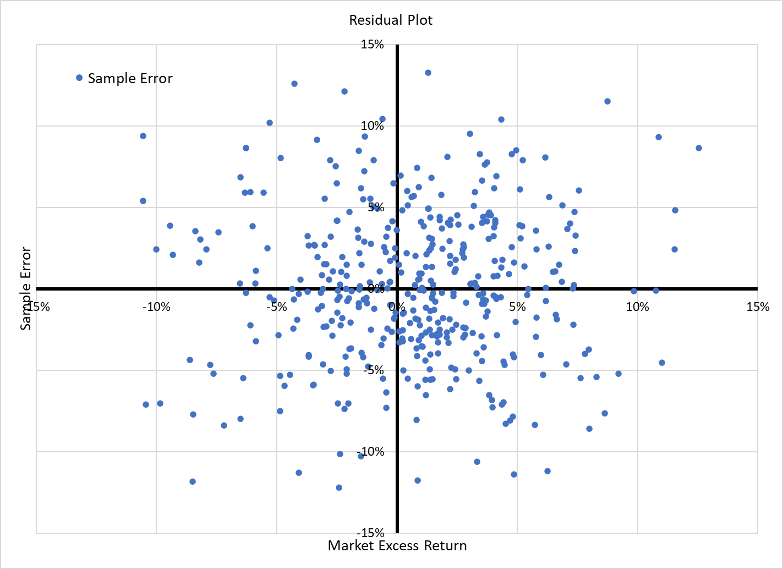
SUMMARY OUTPUT

Regression Statistics

R Square | 0.16

Standard Error | 0.05
Observations | 432

ANOVA
 | df | SS | MS
Regression | 1 | 0.2 | 0.2
Residual | 430 | 1.1 | 0.0
Total | 431 | 1.4

 | Coefficients | Standard Error | t Stat | P-value
Intercept | 0.01 | 0.00 | 2.31 | 0.02
Excess Market Return | 0.52 | 0.06 | 9.21 | 0.00

